Sheet1
 | Desgin ID | Requiment Contents of Compent | Object Type
 | CCM | 1.Introduce
 | 2 | The function of the CC module is to verify whether the charging connector is fully inserted.
liu | 3 | Determine the maximum allowable charging current and discharging current.
 | 4 | 2.Module Ports
 | 5 | For more details about the module ports, please refer to the "Module Interface-CCM".
 | 6 | 3.Design Contents
 | 7 | The CCM module acquires the voltage value at Detection Point 3 as 'ADC_CC_Voltage‘.
 | 8 | 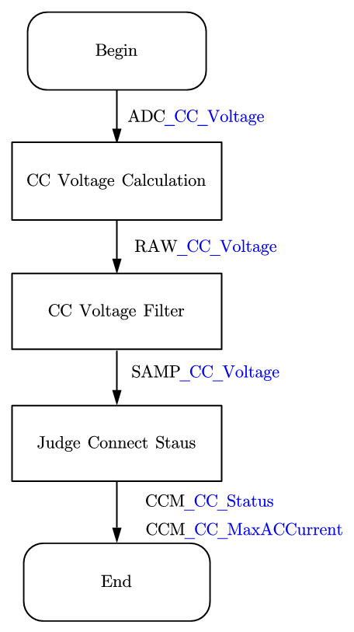 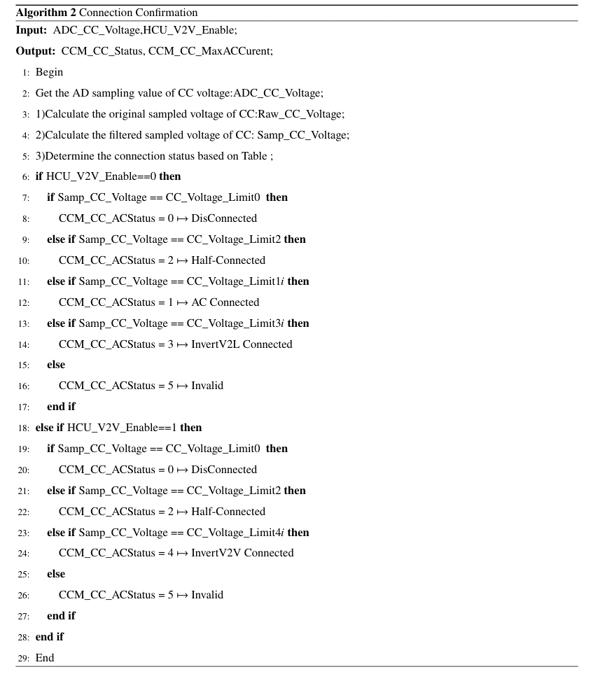 The process for detecting the connection status of the CC module is shown in the figure below:
 | 9 | 1）Calculate the CC voltage value：Raw_CC_Voltage = CC_Voltage_Factor * ADC_CC_Voltage
 | 10 | 2) Filter(optional): y(k)=ax(k-1)+(1-a)y(k-1) a=0.75
 | 11 | 3）Output the CC status as CCM_CC_Status based on the corresponding relationship.
 | 12 | The CCM_CC_MaxACCurrent is determined based on the Raw_CC_Voltage.
 | 13 | 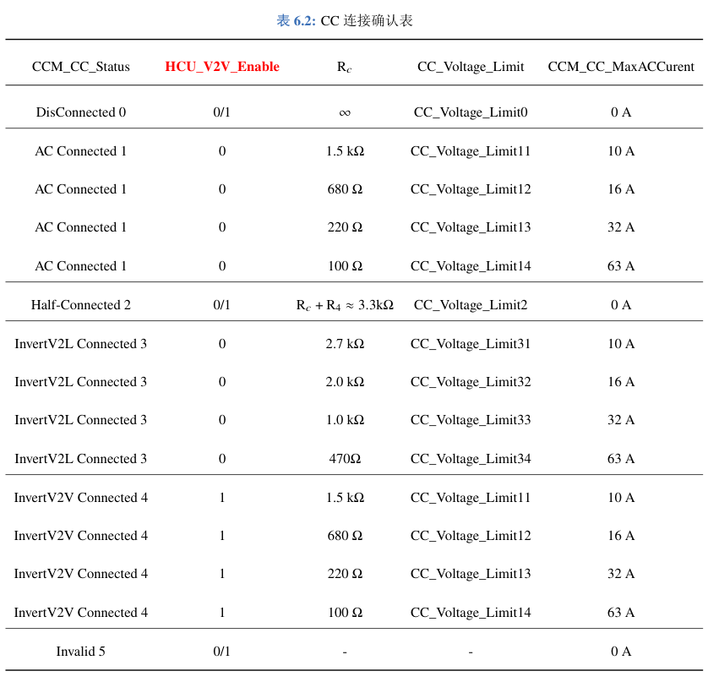 Different CC voltages can be obtained based on different Rc resistance values.
 | 14 | The state of CC is divided into five connection states.
 |  | Raw_CC_Voltage=CC_Voltage_Limit0+delta：——>0 Disconnected
 |  | HCU_V2V_Enable=0/1 Raw_CC_Voltage=CC_Voltage_Limit1i+delta：——> 1 AC Connected
 |  | HCU_V2V_Enable=0/1 Raw_CC_Voltage=CC_Voltage_Limit2+delta：——> 2 Half-Connected
 |  | HCU_V2V_Enable=0 Raw_CC_Voltage=CC_Voltage_Limit3i+delta：——> 3 InvertV2L Connected
 |  | HCU_V2V_Enable=1 Raw_CC_Voltage=CC_Voltage_Limit1i+delta：——> 4 InvertV2V Connected
 |  | HCU_V2V_Enable=1/0 Raw_CC_Voltage!=CC_Voltage_Limit4+delta: ——> 5 Invalid
 | 16 | The allowable deviation between the sampled voltage and the reference voltage is CC_Voltage_delta.
 | 17 | 4)Monitor the connection status in real-time when the OBC is operating.
 | 18 | 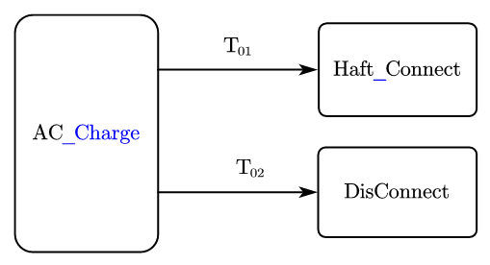
 | 19 | T01:CCM_CC_Status == 2
 | 20 | T02:CCM_CC_Status == 0 || CCM_CC_Status == 4
 | 21 | Half_Connect
 | 22 | The AC side voltage drops to 1A within 1 second.
 | 23 | Control the S2 switch to open
 | 24 | DisConnect
 | 25 | The OBC stops charging within 1 second.
 | 26 | Control the S2 switch to disconnect within 3 seconds after stopping charging.

